Matrix Maker
 |  |  |  |  |  |  |  | 0 | 0
Welcome to the "Create a Bubble Chart Matrix" Free Template |  |  |  |  |  |  |  | 0 | 0
Follow the Steps in YELLOW. Only enter data/information in the BLUE cells. |  |  |  |  | A how to use video is at: | YouTube link |  | 0 | 0
NOTE: This Excel template is password protected - it will work as is - just enter labels and data in the BLUE cells only - if (not recommended) you want to unprotect this spreadsheet - the password is matrix |  |  |  |  |  |  |  | 10 | 5
 | For more information please visit: | www.marketingstudyguide.com |  | Or email: geoff@marketingstudyguide.com |  |  | Copyright 2020 | 1 | 0.1
Simply type over the BLUE cells only to quickly build a bubble chart matrix |  |  |  |  |  |  |  | 6 | 6
 | AAA |  | BBB |  | CCC |  | DDD |  | EEE |  | FFF
9.00 | 9.00 | 5.73 | 5.44 | 2.47 | 1.00 | 2.14 | 6.33 | 1.98 | 3.67 | 1.00 | 7.22 | #N/A | #N/A | #N/A | #N/A | #N/A | #N/A | #N/A | #N/A | #N/A | #N/A | #N/A | #N/A
 |  |  |  |  |  |  |  | 0 | 0

Step 1 | What is the Title/Name of Your Matrix? ==> |  | Opportunity Matrix 2
 |  |  | (This is an example only. Simply type over this map title.) |  |  |  |  |  |  | Yes
 |  |  |  |  |  |  |  |  |  | No
Step 2 | Add the labels for your two Axis dimensions ==>
 | For the VERTICAL axis | ===> | Competitiveness |  | (These are examples only.
Mini sample above
Full matrix is produced below
Starts after row 60
 | For the HORIZONTAL axis | ===> | Attractiveness |  | Type in your axis names.)

Step 3 | What are the max and min values for each axis? ==>
 |  |  | For the VERTICAL axis |  | For the HORIZONTAL axis
 | Maximum value of the axis | ===> | 10 |  | 5
 | Minimum value of the axis | ===> | 1 |  | 0.1
 | OPTIONAL: Plot on a logarithmic scale (min value must be >0) | ===> | No |  | No

 | Also check out our free Excel template for making Perceptual Maps available at:
Perceptual Maps 4 Marketing

Step 4 | Enter the names of the Firms/Brands below | Step 5 | Score each firm/brand for the two dimensions |  |  | Step 6 | Change the circle sizes
 |  |  |  |  |  | Please note that this is an optional step
 |  |  |  |  |  |  | Bubble Sizes
 |  |  | VERTICAL Axis |  | HORIZONTAL Axis | 1 = | Small
 | Enter up to a maximum of 25 names |  | Competitiveness |  | Attractiveness | 3 = | Medium
 | (Some examples provided, simply type over the brands below.) |  |  |  |  | 5 = | Large
1 | AAA |  | 10.00 |  | 5.00 |  | 5
2 | BBB |  | 6.00 |  | 3.00 |  | 5
3 | CCC |  | 1.00 |  | 1.00 |  | 3
4 | DDD |  | 7.00 |  | 0.80 |  | 3
5 | EEE |  | 4.00 |  | 0.70 |  | 1
6 | FFF |  | 8.00 |  | 0.10 |  | 1
7 |  |  |  |  |  |  | 3
8 |  |  |  |  |  |  | 3
9 |  |  |  |  |  |  | 3
10 |  |  |  |  |  |  | 3
11 |  |  |  |  |  |  | 3
12 |  |  |  |  |  |  | 3
13 |  |  |  |  |  |  | 3
14 |  |  |  |  |  |  | 3
15 |  |  |  |  |  |  | 3
16 |  |  |  |  |  |  | 3
17 |  |  |  |  |  |  | 3
18 |  |  |  |  |  |  | 3
19 |  |  |  |  |  |  | 3
20 |  |  |  |  |  |  | 3
21 |  |  |  |  |  |  | 3
22 |  |  |  |  |  |  | 3
23 |  |  |  |  |  |  | 3
24 |  |  |  |  |  |  | 3
25 |  |  |  |  |  |  | 3

Step 7 | When finished entering your data above, simply copy your Matrix and paste it into your document.

Opportunity Matrix 2
 | AAA |  | BBB |  | CCC |  | DDD |  | EEE |  | FFF
9.00 | 9.00 | 5.73 | 5.44 | 2.47 | 1.00 | 2.14 | 6.33 | 1.98 | 3.67 | 1.00 | 7.22 | #N/A | #N/A | #N/A | #N/A | #N/A | #N/A | #N/A | #N/A | #N/A | #N/A | #N/A | #N/A

A second matrix, with the horizontal axis in reverse order is included
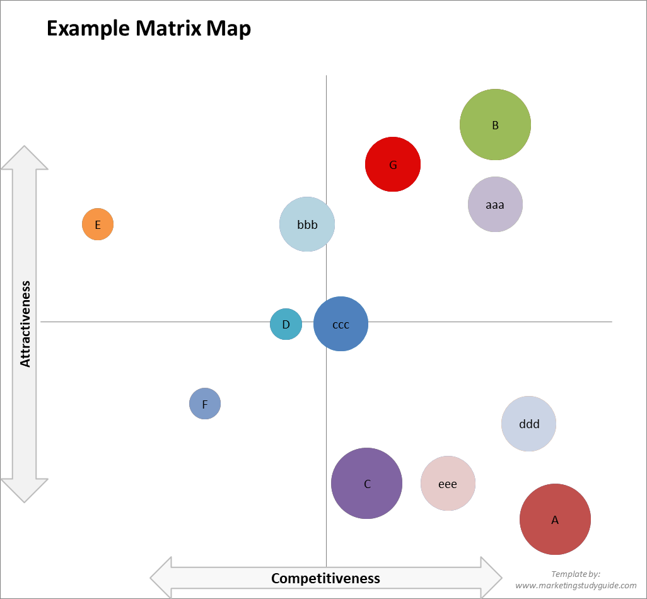

 |  |  |  |  |  | To maintain the formatting of the matrix
 |  |  |  |  |  | when you copy it:

 |  |  |  |  |  | 1 | Click on the edge of the chart
 |  |  |  |  |  |  | to highlight it

 |  |  |  |  |  | 2 | Select 'copy' from the menu

 |  |  |  |  |  | 3 | Go to your report/presentation

 |  |  |  |  |  | 4 | Select 'paste', then 'paste special'
 |  |  |  |  |  |  | and choose 'picture'.

Opportunity Matrix 2
 | AAA |  | BBB |  | CCC |  | DDD |  | EEE |  | FFF
9.00 | 9.00 | 5.73 | 5.44 | 2.47 | 1.00 | 2.14 | 6.33 | 1.98 | 3.67 | 1.00 | 7.22 | #N/A | #N/A | #N/A | #N/A | #N/A | #N/A | #N/A | #N/A | #N/A | #N/A | #N/A | #N/A

