BCG with Market Shares
Welcome to "Create Your BCG Matrix" with Market Shares
Follow the Steps in Yellow. Only can enter data/information in the light grey cells.

 | The blue and pink cells provide additional information |  |  | Or you can watch this YouTube video: |  | How to use the BCG Matrix Excel template
For more information on the BCG Matrix template please visit: |  |  | The Marketing Study Guide |  |  | Email: geoff@marketingstudyguide.com
Simply type over the grey cells below to quickly and easily create the BCG Matrix

Step 1 | Enter the Title of Your BCG Matrix ==> |  |  | My BCG Matrix

Step 2 |  | Step 3 |  | Step 4 | DO NOT ENTER | Step 5 | Step 6
Enter the Products to be Mapped |  | Enter market share for the product/brand |  | Enter market share for their largest competitor | Relative market share will automatically calculate below | Enter the market growth rate % | Enter revenue pa
 |  |  |  |  |  |  | Note: Circle sizes represent revenue size
1 | AAA | 45.00% |  | 15.00% | 3.00 | 20.00% | 25
2 | BBB | 35.00% |  | 10.00% | 3.50 | 0.00% | 10
3 | CCC | 2.00% |  | 20.00% | 0.10 | -5.00% | 10
4 | DDD | 5.00% |  | 40.00% | 0.13 | 25.00% | 20
5 | EEE | 10.00% |  | 20.00% | 0.50 | 10.00% | 25
6
7
8
9
10
11
12
13
14
15
16
17
18
19
20
21
22
23
24
25

Step 7 | When finished entering your data, there are TWO versions of the BCG Matrix below to copy/paste it into your document.
 | One version is in color, the other version is in black and white.

My BCG Matrix
 | AAA |  | BBB |  | CCC |  | DDD |  | EEE
3.00 | 20.00% | 3.50 | 0.00% | 0.10 | -5.00% | 0.13 | 25.00% | 0.50 | 10.00%
CASH COWS
DOGS
STARS
QUESTION MARKS
RELATIVE MARKET SHARE
MARKET GROWTH RATE
 |  |  |  |  |  |  | To Copy/Paste the Matrix

 |  |  |  |  |  |  | Click on the very edge of the
 |  |  |  |  |  | Version 1 in COLOR | matrix to highlight it

 |  |  |  |  |  |  | Select 'copy' from the menu
 |  |  |  |  |  | Scroll down for Version 2
 |  |  |  |  |  |  | Go to your document

 |  |  |  |  |  |  | Select 'paste', then 'paste special'
 |  |  |  |  |  |  | and choose to paste as a picture

 |  |  |  |  |  |  | After you paste as a picture,
 |  |  |  |  |  |  | you can then resize the matrix

My BCG Matrix
 | AAA |  | BBB |  | CCC |  | DDD |  | EEE
3.00 | 20.00% | 3.50 | 0.00% | 0.10 | -5.00% | 0.13 | 25.00% | 0.50 | 10.00%
CASH COWS
DOGS
STARS
QUESTION MARKS
RELATIVE MARKET SHARE
MARKET GROWTH RATE

 |  |  |  |  |  | Version 2 in B&W

BCG without Market Shares
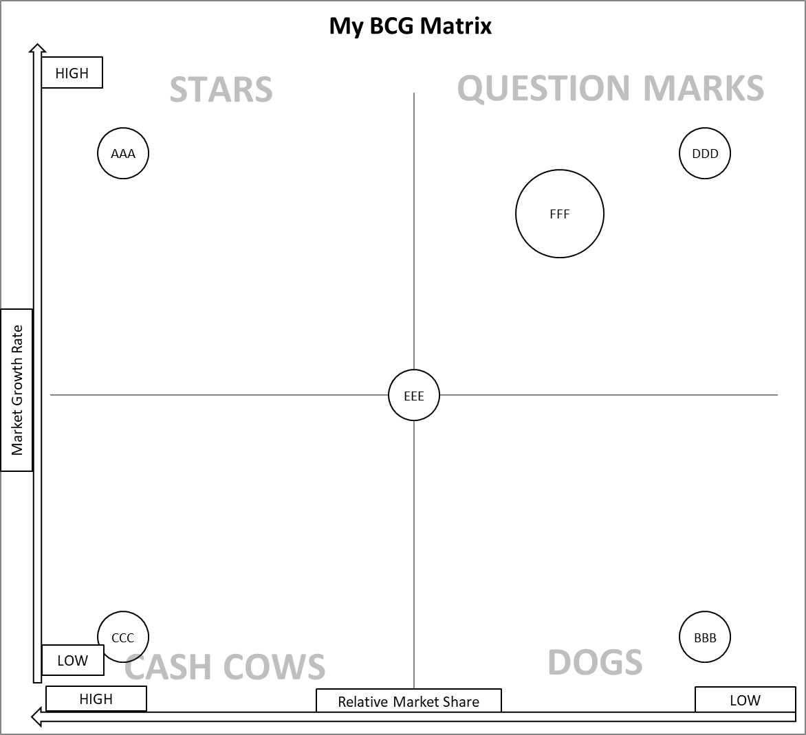
Welcome to "Create Your BCG Matrix" without Market Shares
Follow the Steps in Yellow. Only can enter data/information in the light grey cells.

 | The blue and pink cells provide additional information | Or you can watch this YouTube video: |  |  | How to use the BCG Matrix Excel template
For more information on the BCG Matrix template please visit: |  |  | The Marketing Study Guide |  |  | Email: geoff@marketingstudyguide.com
Simply type over the grey cells below to quickly and easily create the BCG Matrix

Step 1 | Enter the Title of Your BCG Matrix ==> | My BCG Matrix

Step 2 | Enter the Products to be Mapped | Step 3 | Score each product portfolio for share and growth |  |  | Step 4 | Change the circle sizes
Up to a maximum of 25 brands/products, please type over the examples below. |  |  | Use a 1-9 scale, where… | 9 = Very high |  | Note: Circle sizes represent revenue size
 |  |  |  | 7 = High
 |  |  |  | 5= Average
 | Important Tip: Do NOT enter two different products |  |  | 3 = Low
 | with EXACTLY the same numbers. |  |  | 1 = Very low
 | Vary the numbers slightly to clearly show them. |  | Note: You may use any value in the 1-9 scale, e.g. 6.5
 |  |  | Note: The higher the number, the larger the market share or
 |  |  | growth rate or circle size in the matrix |  |  | Note: If not known, set all values to 5
 |  | RELATIVE MARKET SHARE |  | MARKET GROWTH RATE |  | CIRCLE SIZES
1 | AAA |  | 9 |  | 9 |  | 3
2 | BBB |  | 1 |  | 1 |  | 3
3 | CCC |  | 9 |  | 1 |  | 3
4 | DDD |  | 1 |  | 9 |  | 3
5 | EEE |  | 5 |  | 5 |  | 3
6
7
8
9
10
11
12
13
14
15
16
17
18
19
20
21
22
23
24
25

 | When finished entering your data, there are TWO versions of the BCG Matrix below to copy/paste it into your document.
Step 5 | One version is in color, the other version is in black and white.

My BCG Matrix
 | AAA |  | BBB |  | CCC |  | DDD |  | EEE
9 | 9 | 1 | 1 | 9 | 1 | 1 | 9 | 5 | 5
HIGH
LOW
Market Growth Rate
HIGH
LOW
Relative Market Share
STARS
 |  |  |  |  |  |  | To Copy/Paste the Matrix

 |  |  |  |  |  |  | Click on the very edge of the
 |  |  |  |  | Version 1 in COLOR |  | matrix to highlight it

 |  |  |  |  |  |  | Select 'copy' from the menu
 |  |  |  |  | Scroll down for Version 2
 |  |  |  |  |  |  | Go to your document

 |  |  |  |  |  |  | Select 'paste', then 'paste special'
 |  |  |  |  |  |  | and choose to paste as a picture

 |  |  |  |  |  |  | After you paste as a picture,
 |  |  |  |  |  |  | you can then resize the matrix

CASH COWS
DOGS

Template by the Marketing Study Guide

My BCG Matrix
 | AAA |  | BBB |  | CCC |  | DDD |  | EEE
9 | 9 | 1 | 1 | 9 | 1 | 1 | 9 | 5 | 5
HIGH
LOW
Market Growth Rate
HIGH
LOW
Relative Market Share
STARS

 |  |  |  |  | Version 2 in B&W

Template by the Marketing Study Guide

